FCI Summary
Building Name: | Wilson Avenue | 2012 LRFP CONDITION SUMMARY
Building Square Footage: | 85,913
Number of Floors: | B + 3
School Age (years): | 131

FACILITY CONDITION

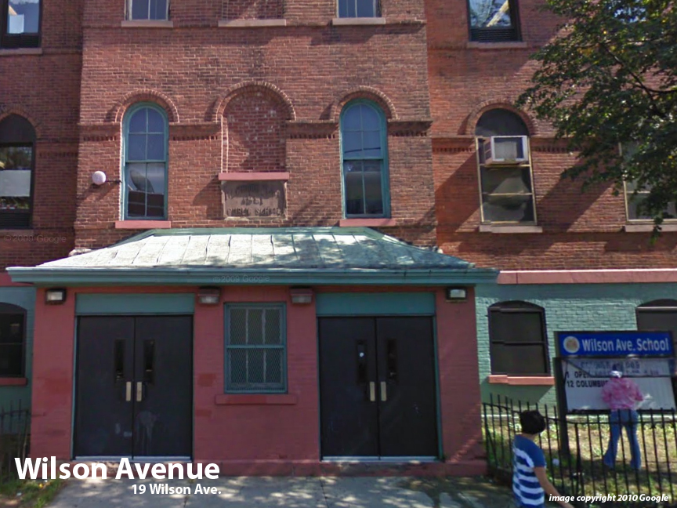
Facility Condition Index (FCI) Score = | 46%

Facility Condition = | POOR

FCI Deficiency Cost = | $8,142,930

FCI Replacement Cost = | $17,719,556

CAPACITY UTILIZATION

Recent 2012 Enrollment = | 928

Historic 2005 LRFP Capacity = | 514

Adjusted 2012 Capacity = | 415

Recent Occupancy % = | 224%

EDUCATION ADEQUECY

Classroom Adequacy % Score = | 81%

Classroom Adequacy = | FAIR

Special Spaces Adequacy % Score = | 49%

Special Spaces Adequacy = | VERY POOR

