FCI Summary
Building Name: | West Side High | 2012 LRFP CONDITION SUMMARY
Building Square Footage: | 145,381
Number of Floors: | 3
School Age (years): | 86

FACILITY CONDITION

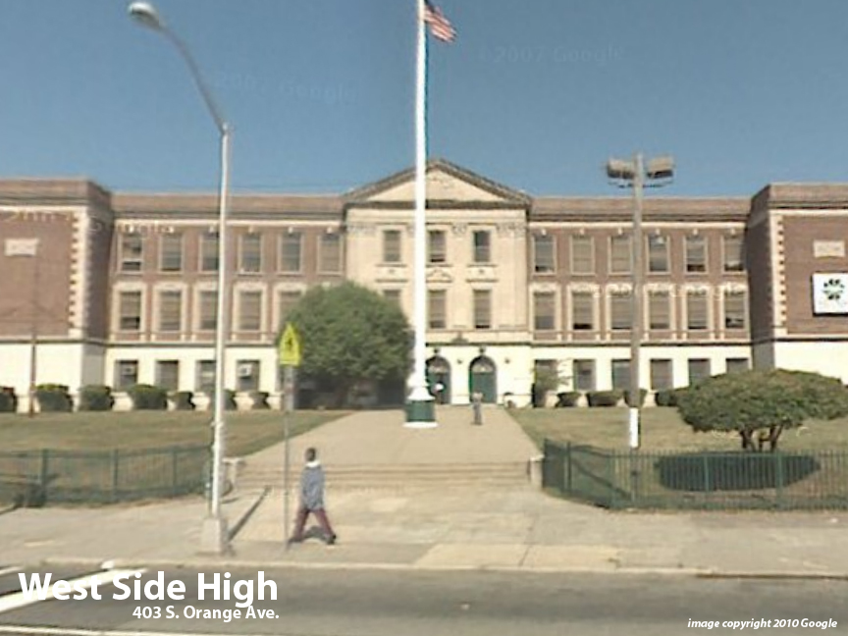
Facility Condition Index (FCI) Score = | 28%

Facility Condition = | FAIR

FCI Deficiency Cost = | $9,242,842

FCI Replacement Cost = | $32,710,725

CAPACITY UTILIZATION

Recent 2012 Enrollment = | 756

Historic 2005 LRFP Capacity = | 554

Adjusted 2012 Capacity = | 712

Recent Occupancy % = | 106%

EDUCATION ADEQUECY

Classroom Adequacy % Score = | 88%

Classroom Adequacy = | GOOD

Special Spaces Adequacy % Score = | 78%

Special Spaces Adequacy = | FAIR

