FCI Summary
Building Name: | Sussex Avenue | 2012 LRFP CONDITION SUMMARY
Building Square Footage: | 64,327
Number of Floors: | 3
School Age (years): | 112

FACILITY CONDITION

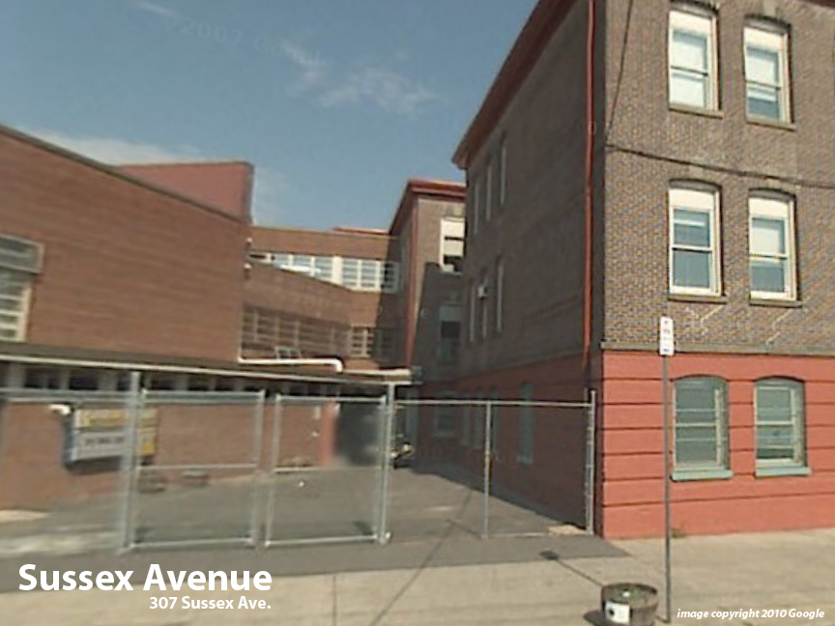
Facility Condition Index (FCI) Score = | 52%

Facility Condition = | VERY POOR

FCI Deficiency Cost = | $6,895,038

FCI Replacement Cost = | $13,267,444

CAPACITY UTILIZATION

Recent 2012 Enrollment = | 497

Historic 2005 LRFP Capacity = | 444

Adjusted 2012 Capacity = | 432

Recent Occupancy % = | 115%

EDUCATION ADEQUECY

Classroom Adequacy % Score = | 85%

Classroom Adequacy = | FAIR

Special Spaces Adequacy % Score = | 46%

Special Spaces Adequacy = | VERY POOR

