FCI Summary
Building Name: | Malcolm X Shabazz HS | 2012 LRFP CONDITION SUMMARY
Building Square Footage: | 313,585
Number of Floors: | B + 4
School Age (years): | 99

FACILITY CONDITION

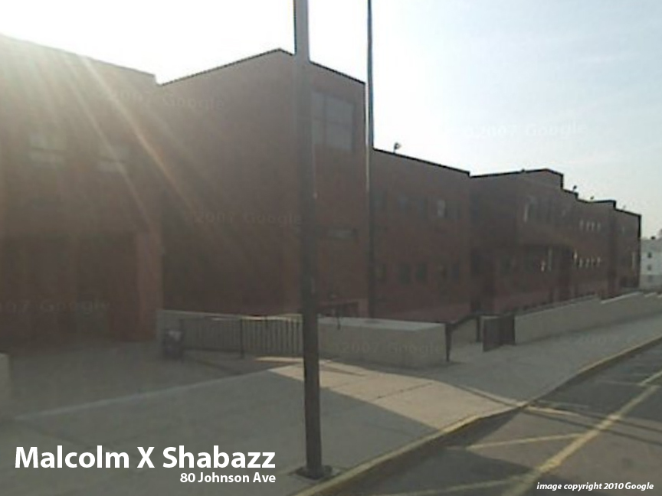
Facility Condition Index (FCI) Score = | 31%

Facility Condition = | FAIR

FCI Deficiency Cost = | $22,215,267

FCI Replacement Cost = | $71,186,625

CAPACITY UTILIZATION

Recent 2012 Enrollment = | 636

Historic 2005 LRFP Capacity = | 1039

Adjusted 2012 Capacity = | 942

Recent Occupancy % = | 68%

EDUCATION ADEQUECY

Classroom Adequacy % Score = | 93%

Classroom Adequacy = | GOOD

Special Spaces Adequacy % Score = | 89%

Special Spaces Adequacy = | GOOD

