FCI Summary
Building Name: | Science Park HS | 2012 LRFP CONDITION SUMMARY
Building Square Footage: | 273,859
Number of Floors: | B + 4
School Age (years): | 6

FACILITY CONDITION

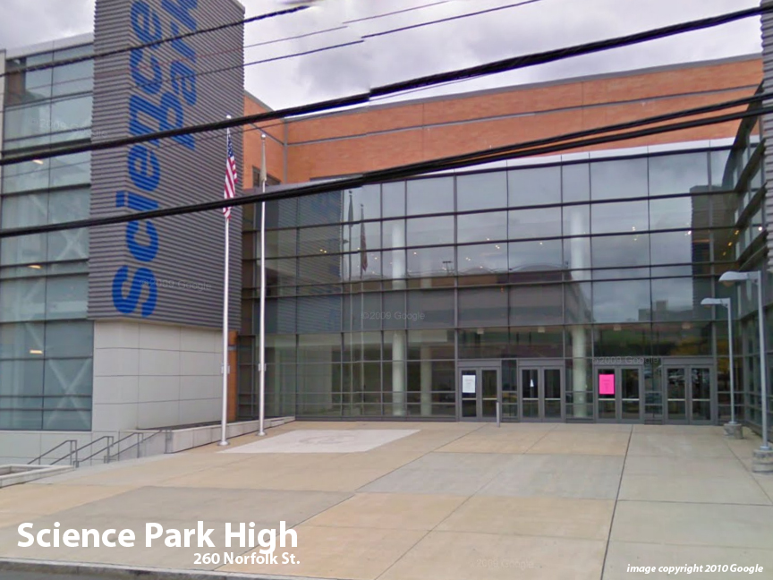
Facility Condition Index (FCI) Score = | 1%

Facility Condition = | VERY GOOD

FCI Deficiency Cost = | $443,652

FCI Replacement Cost = | $61,618,275

CAPACITY UTILIZATION

Recent 2012 Enrollment = | 787

Historic 2005 LRFP Capacity = | 767

Adjusted 2012 Capacity = | 714

Recent Occupancy % = | 110%

EDUCATION ADEQUECY

Classroom Adequacy % Score = | 100%

Classroom Adequacy = | VERY GOOD

Special Spaces Adequacy % Score = | 100%

Special Spaces Adequacy = | VERY GOOD

