FCI Summary
Building Name: | South 17th Street | 2012 LRFP CONDITION SUMMARY
Building Square Footage: | 87,359
Number of Floors: | B + 3
School Age (years): | 101

FACILITY CONDITION

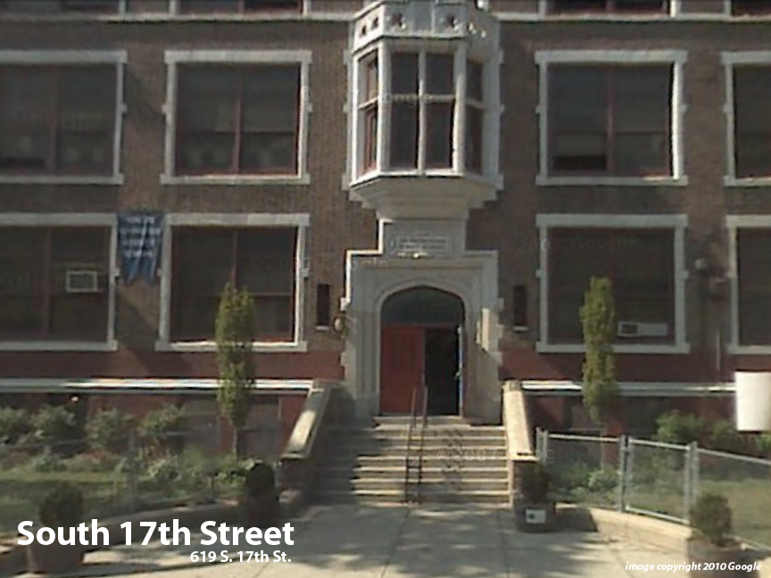
Facility Condition Index (FCI) Score = | 48%

Facility Condition = | POOR

FCI Deficiency Cost = | $8,617,743

FCI Replacement Cost = | $18,017,794

CAPACITY UTILIZATION

Recent 2012 Enrollment = | 468

Historic 2005 LRFP Capacity = | 351

Adjusted 2012 Capacity = | 593

Recent Occupancy % = | 79%

EDUCATION ADEQUECY

Classroom Adequacy % Score = | 88%

Classroom Adequacy = | GOOD

Special Spaces Adequacy % Score = | 79%

Special Spaces Adequacy = | FAIR

