FCI Summary
Building Name: | Roberto Clemente | 2012 LRFP CONDITION SUMMARY
Building Square Footage: | 68,274
Number of Floors: | B + 3
School Age (years): | 128

FACILITY CONDITION

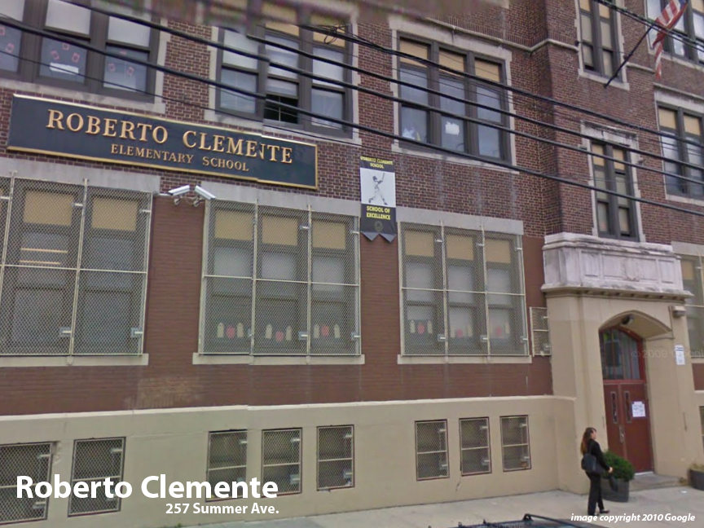
Facility Condition Index (FCI) Score = | 20%

Facility Condition = | GOOD

FCI Deficiency Cost = | $2,826,102

FCI Replacement Cost = | $14,081,513

CAPACITY UTILIZATION

Recent 2012 Enrollment = | 584

Historic 2005 LRFP Capacity = | 478

Adjusted 2012 Capacity = | 537

Recent Occupancy % = | 109%

EDUCATION ADEQUECY

Classroom Adequacy % Score = | 83%

Classroom Adequacy = | FAIR

Special Spaces Adequacy % Score = | 50%

Special Spaces Adequacy = | VERY POOR

