FCI Summary
Building Name: | Ridge Street ECC | 2012 LRFP CONDITION SUMMARY
Building Square Footage: | 14,128
Number of Floors: | B + 1
School Age (years): | 88

FACILITY CONDITION

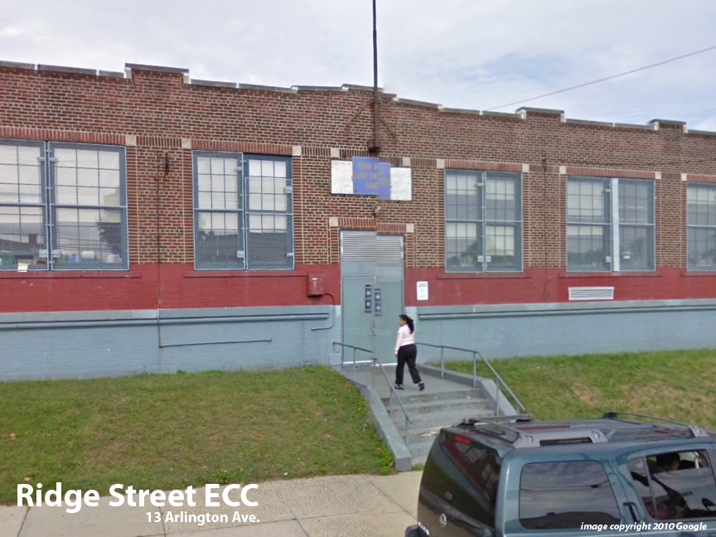
Facility Condition Index (FCI) Score = | 34%

Facility Condition = | FAIR

FCI Deficiency Cost = | $997,784

FCI Replacement Cost = | $2,913,900

CAPACITY UTILIZATION

Recent 2011/12 Enrollment = | IN RIDGE

Historic 2005 LRFP Capacity = | 189

Adjusted 2012 Capacity = | IN RIDGE

Recent Occupancy % = | NA

EDUCATION ADEQUECY

Classroom Adequacy % Score = | 64%

Classroom Adequacy = | VERY POOR

Special Spaces Adequacy % Score = | 13%

Special Spaces Adequacy = | VERY POOR

