FCI Summary
Building Name: | Ridge Street | 2012 LRFP CONDITION SUMMARY
Building Square Footage: | 42,582
Number of Floors: | B + 2
School Age (years): | 101 | Note: Includes Ridge Street ECC enrollment & capacity

FACILITY CONDITION

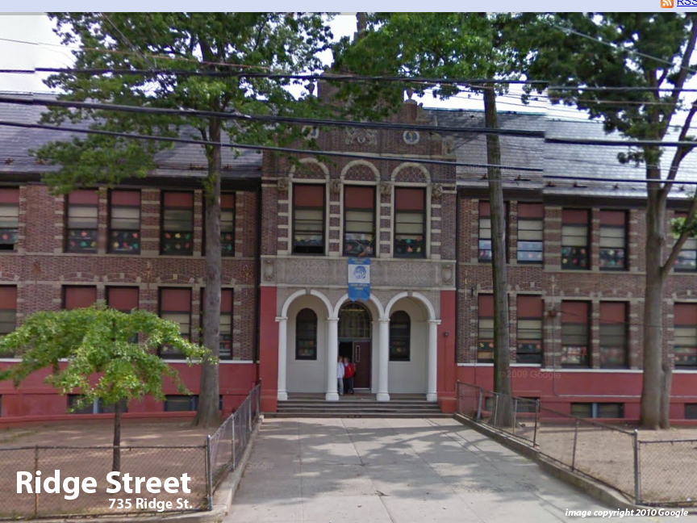
Facility Condition Index (FCI) Score = | 45%

Facility Condition = | POOR

FCI Deficiency Cost = | $3,909,874

FCI Replacement Cost = | $8,782,538

CAPACITY UTILIZATION

Recent 2012 Enrollment = | 596

Historic 2005 LRFP Capacity = | 462

Adjusted 2012 Capacity = | 470

Recent Occupancy % = | 127%

EDUCATION ADEQUECY

Classroom Adequacy % Score = | 83%

Classroom Adequacy = | FAIR

Special Spaces Adequacy % Score = | 43%

Special Spaces Adequacy = | VERY POOR

