FCI Summary
Building Name: | Newton Street | 2012 LRFP CONDITION SUMMARY
Building Square Footage: | 90,964
Number of Floors: | B + 3
School Age (years): | 139

FACILITY CONDITION

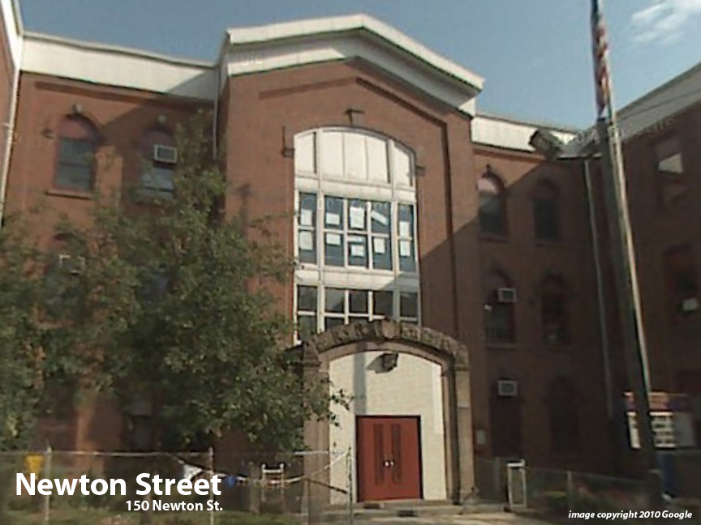
Facility Condition Index (FCI) Score = | 55%

Facility Condition = | VERY POOR

FCI Deficiency Cost = | $10,307,674

FCI Replacement Cost = | $18,761,325

CAPACITY UTILIZATION

Recent 2012 Enrollment = | 408

Historic 2005 LRFP Capacity = | 596

Adjusted 2012 Capacity = | 507

Recent Occupancy % = | 80%

EDUCATION ADEQUECY

Classroom Adequacy % Score = | 84%

Classroom Adequacy = | FAIR

Special Spaces Adequacy % Score = | 66%

Special Spaces Adequacy = | POOR

