FCI Summary
Building Name: | Newark Bridges HS | 2012 LRFP CONDITION SUMMARY
Building Square Footage: | 153,613
Number of Floors: | 3 | Former Camden Middle School
School Age (years): | 39

FACILITY CONDITION
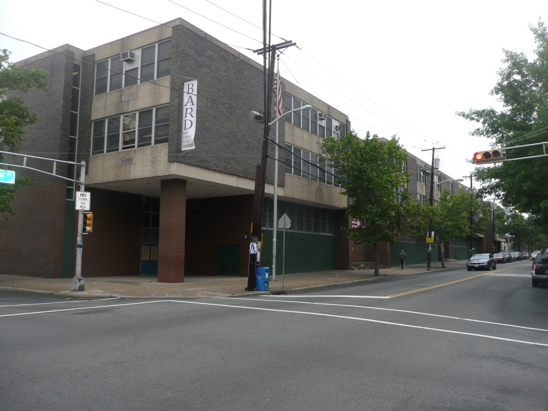
Facility Condition Index (FCI) Score = | 11%

Facility Condition = | GOOD

FCI Deficiency Cost = | $3,540,509

FCI Replacement Cost = | $31,682,681

CAPACITY UTILIZATION

Recent 2011/12 Enrollment = | 208

Historic 2005 LRFP Capacity = | 650

Adjusted 2012 Capacity = | 466

Recent Occupancy % = | 45%

EDUCATION ADEQUECY

Classroom Adequacy % Score = | 94%

Classroom Adequacy = | GOOD

Special Spaces Adequacy % Score = | 90%

Special Spaces Adequacy = | GOOD

