FCI Summary
Building Name: | Newark Vocational HS | 2012 LRFP CONDITION SUMMARY
Building Square Footage: | 155,959
Number of Floors: | B + 4
School Age (years): | 55

FACILITY CONDITION

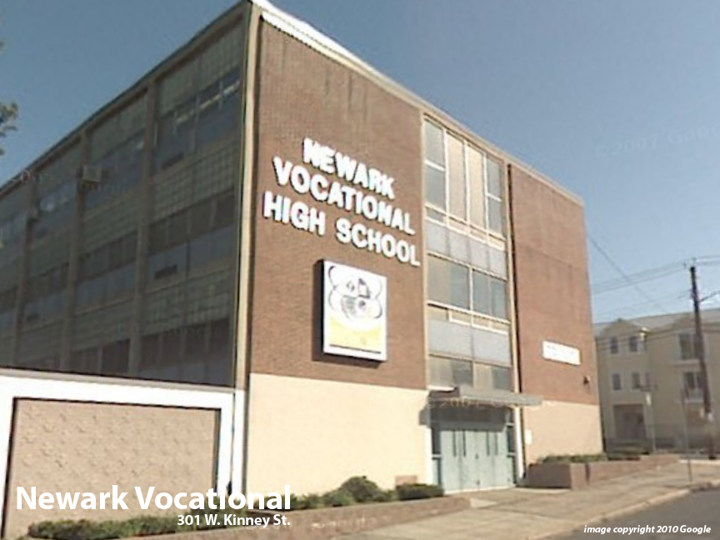
Facility Condition Index (FCI) Score = | 23%

Facility Condition = | FAIR

FCI Deficiency Cost = | $8,156,985

FCI Replacement Cost = | $35,090,775

CAPACITY UTILIZATION

Recent 2012 Enrollment = | 483

Historic 2005 LRFP Capacity = | 802

Adjusted 2012 Capacity = | 574

Recent Occupancy % = | 84%

EDUCATION ADEQUECY

Classroom Adequacy % Score = | 92%

Classroom Adequacy = | GOOD

Special Spaces Adequacy % Score = | 74%

Special Spaces Adequacy = | POOR

