FCI Summary
Building Name: | Newark Innovation Academy | 2012 LRFP CONDITION SUMMARY
Building Square Footage: | 73,346
Number of Floors: | 2
School Age (years): | 28

FACILITY CONDITION

Facility Condition Index (FCI) Score = | 22%

Facility Condition = | FAIR

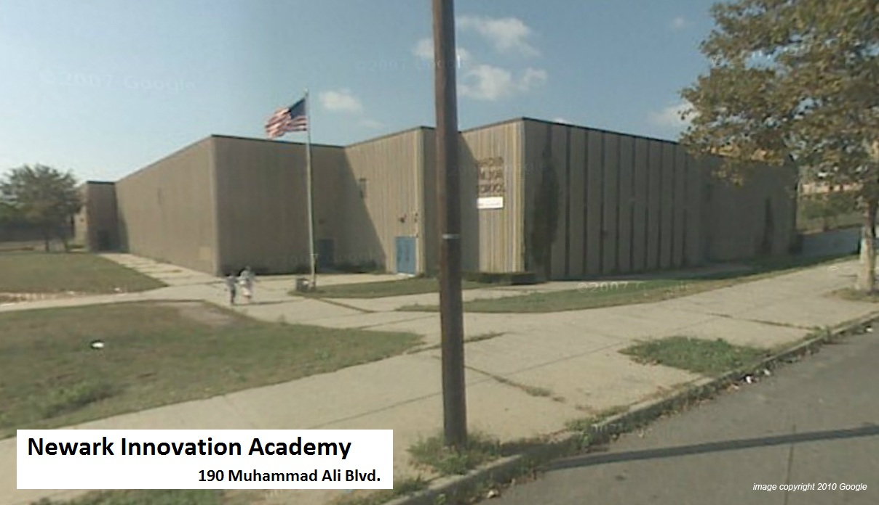
FCI Deficiency Cost = | $3,338,044

FCI Replacement Cost = | $15,127,613

CAPACITY UTILIZATION

Recent 2012 Enrollment = | 181

Historic 2005 LRFP Capacity = | 331

Adjusted 2012 Capacity = | 409

Recent Occupancy % = | 44%

EDUCATION ADEQUECY

Classroom Adequacy % Score = | 88%

Classroom Adequacy = | GOOD

Special Spaces Adequacy % Score = | 76%

Special Spaces Adequacy = | FAIR

