FCI Summary
Building Name: | Morton Street (Off-Line)
Building Square Footage: | 99,903 | 2013 LRFP CONDITION SUMMARY
Number of Floors: | B + 4
School Age (years): | 114

FACILITY CONDITION

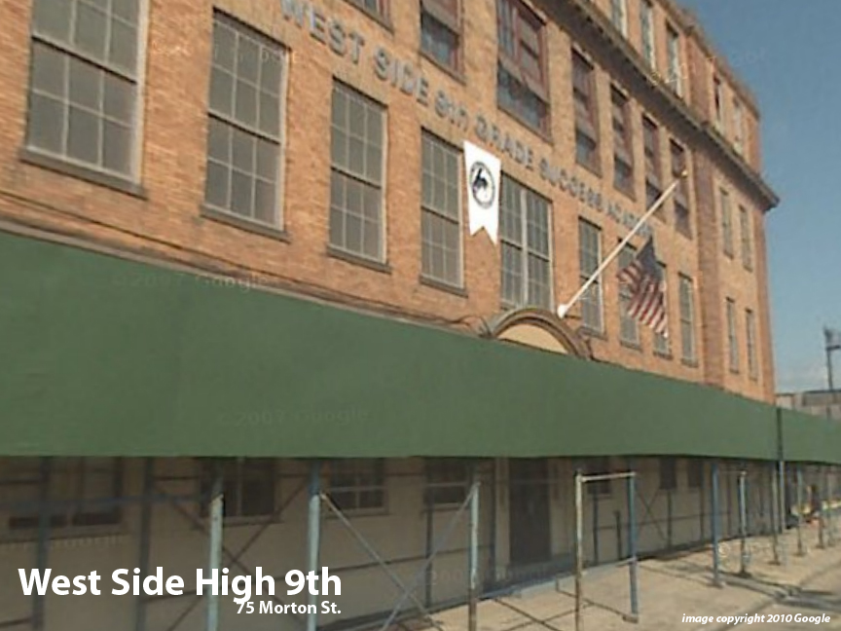
Facility Condition Index (FCI) Score = | 43%

Facility Condition = | POOR

FCI Deficiency Cost = | $9,770,996

FCI Replacement Cost = | $22,478,175

CAPACITY UTILIZATION

Recent 2012 Enrollment = | 0

Historic 2005 LRFP Capacity = | NA

Adjusted 2012 Capacity = | 546

Recent Occupancy % = | 0%

EDUCATION ADEQUECY

Classroom Adequacy % Score = | 92%

Classroom Adequacy = | GOOD

Special Spaces Adequacy % Score = | 43%

Special Spaces Adequacy = | VERY POOR

