FCI Summary
Building Name: | Miller Street School | 2012 LRFP CONDITION SUMMARY
Building Square Footage: | 79,224
Number of Floors: | B + 4
School Age (years): | 100

FACILITY CONDITION

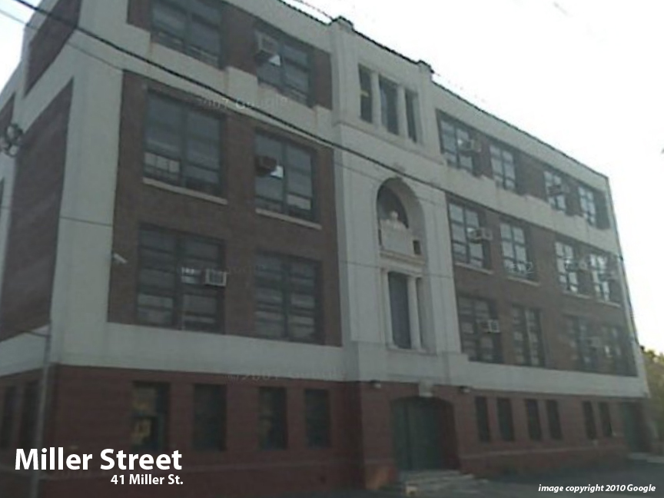
Facility Condition Index (FCI) Score = | 34%

Facility Condition = | FAIR

FCI Deficiency Cost = | $5,474,341

FCI Replacement Cost = | $16,339,950

CAPACITY UTILIZATION

Recent 2012 Enrollment = | 557

Historic 2005 LRFP Capacity = | 553

Adjusted 2012 Capacity = | 563

Recent Occupancy % = | 99%

EDUCATION ADEQUECY

Classroom Adequacy % Score = | 82%

Classroom Adequacy = | FAIR

Special Spaces Adequacy % Score = | 38%

Special Spaces Adequacy = | VERY POOR

