FCI Summary
Building Name: | McKinley | 2012 LRFP CONDITION SUMMARY
Building Square Footage: | 148,949
Number of Floors: | B + 2
School Age (years): | 97

FACILITY CONDITION

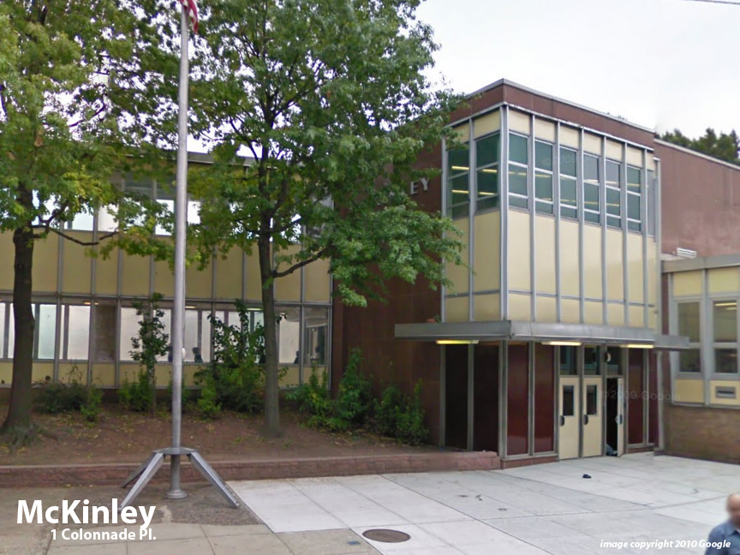
Facility Condition Index (FCI) Score = | 25%

Facility Condition = | FAIR

FCI Deficiency Cost = | $7,668,929

FCI Replacement Cost = | $30,720,731

CAPACITY UTILIZATION

Recent 2012 Enrollment = | 902

Historic 2005 LRFP Capacity = | 835

Adjusted 2012 Capacity = | 791

Recent Occupancy % = | 114%

EDUCATION ADEQUECY

Classroom Adequacy % Score = | 95%

Classroom Adequacy = | GOOD

Special Spaces Adequacy % Score = | 71%

Special Spaces Adequacy = | POOR

