FCI Summary
Building Name: | Broadway (Luis Munoz Marin) Elementary
Building Square Footage: | 191,351 | 2012 LRFP CONDITION SUMMARY
Number of Floors: | 4
School Age (years): | 57

FACILITY CONDITION

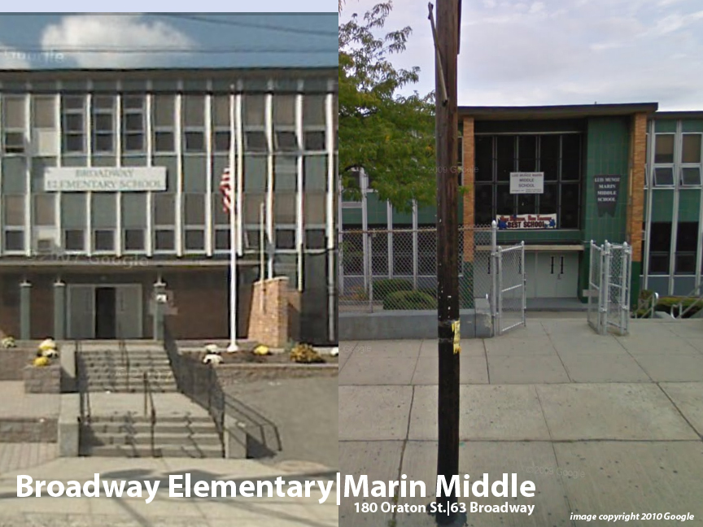
Facility Condition Index (FCI) Score = | 16%

Facility Condition = | GOOD

FCI Deficiency Cost = | $6,376,602

FCI Replacement Cost = | $39,466,144

CAPACITY UTILIZATION

Recent 2012 Enrollment = | 956

Historic 2005 LRFP Capacity = | 1047

Adjusted 2012 Capacity = | 980

Recent Occupancy % = | 98%

EDUCATION ADEQUECY

Classroom Adequacy % Score = | 93%

Classroom Adequacy = | GOOD

Special Spaces Adequacy % Score = | 91%

Special Spaces Adequacy = | GOOD

