FCI Summary
Building Name: | Maple Avenue Annex | 2012 LRFP CONDITION SUMMARY
Building Square Footage: | 20,552
Number of Floors: | B + 2
School Age (years): | 72

FACILITY CONDITION

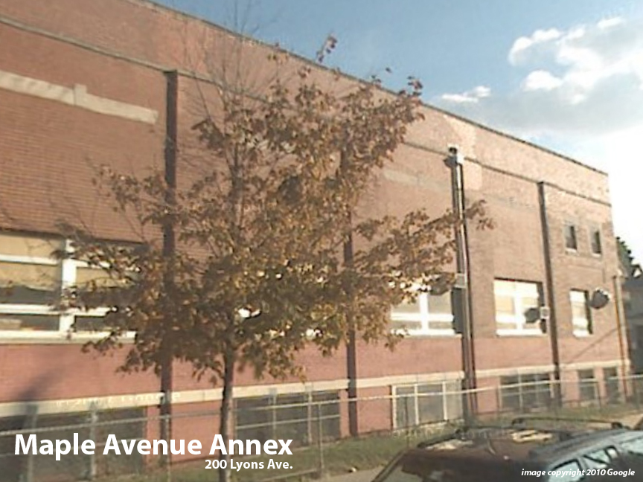
Facility Condition Index (FCI) Score = | 30%

Facility Condition = | FAIR

FCI Deficiency Cost = | $1,267,985

FCI Replacement Cost = | $4,238,850

CAPACITY UTILIZATION

Recent 2011/12 Enrollment = | IN MAPLE

Historic 2005 LRFP Capacity = | 157

Adjusted 2012 Capacity = | IN MAPLE

Recent Occupancy % = | NA

EDUCATION ADEQUECY

Classroom Adequacy % Score = | 51%

Classroom Adequacy = | VERY POOR

Special Spaces Adequacy % Score = | 35%

Special Spaces Adequacy = | VERY POOR

