FCI Summary
Building Name: | Lincoln | 2012 LRFP CONDITION SUMMARY
Building Square Footage: | 57,450
Number of Floors: | B + 3
School Age (years): | 104

FACILITY CONDITION

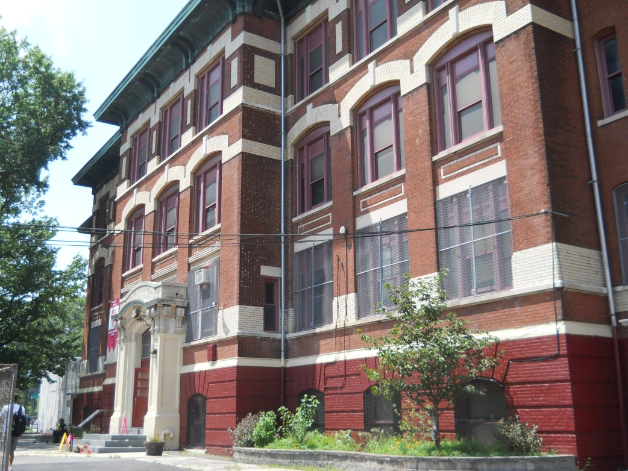
Facility Condition Index (FCI) Score = | 48%

Facility Condition = | POOR

FCI Deficiency Cost = | $5,662,304

FCI Replacement Cost = | $11,849,063

CAPACITY UTILIZATION

Recent 2012 Enrollment = | 416

Historic 2005 LRFP Capacity = | 419

Adjusted 2012 Capacity = | 387

Recent Occupancy % = | 107%

EDUCATION ADEQUECY

Classroom Adequacy % Score = | 81%

Classroom Adequacy = | FAIR

Special Spaces Adequacy % Score = | 43%

Special Spaces Adequacy = | VERY POOR

