FCI Summary
Building Name: | Lafayette | 2012 LRFP CONDITION SUMMARY
Building Square Footage: | 68,009
Number of Floors: | 4
School Age (years): | 104

FACILITY CONDITION

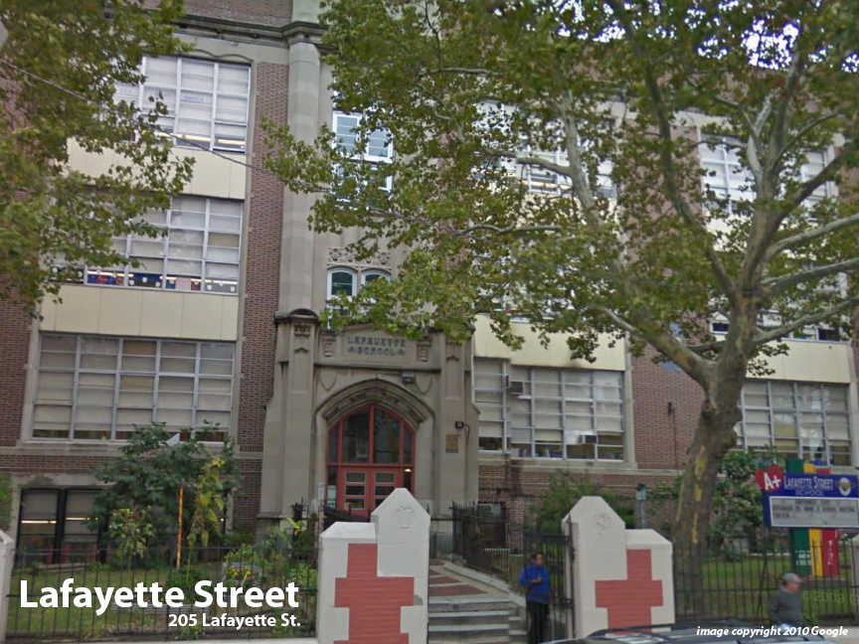
Facility Condition Index (FCI) Score = | 51%

Facility Condition = | VERY POOR

FCI Deficiency Cost = | $7,156,181

FCI Replacement Cost = | $14,026,856

CAPACITY UTILIZATION

Recent 2012 Enrollment = | 1118

Historic 2005 LRFP Capacity = | 621
 | 650
Adjusted 2012 Capacity = | 650

Recent Occupancy % = | 172%

EDUCATION ADEQUECY

Classroom Adequacy % Score = | 89%

Classroom Adequacy = | GOOD

Special Spaces Adequacy % Score = | 32%

Special Spaces Adequacy = | VERY POOR

