FCI Summary
Building Name: | Lafayette Street Annex | 2012 LRFP CONDITION SUMMARY
Building Square Footage: | 12,813
Number of Floors: | B + 2
School Age (years): | 104

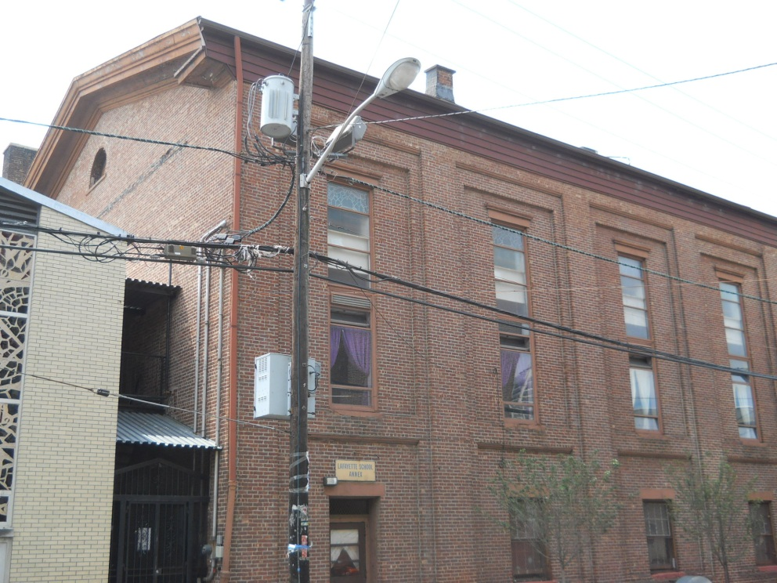
FACILITY CONDITION

Facility Condition Index (FCI) Score = | 55%

Facility Condition = | VERY POOR

FCI Deficiency Cost = | $1,446,200

FCI Replacement Cost = | $2,642,681

CAPACITY UTILIZATION

Recent 2011/12 Enrollment = | NA

Historic 2005 LRFP Capacity = | NA

Adjusted 2012 Capacity = | 79

Recent Occupancy % = | NA

EDUCATION ADEQUECY

Classroom Adequacy % Score = | 71%

Classroom Adequacy = | POOR

Special Spaces Adequacy % Score = | 20%

Special Spaces Adequacy = | VERY POOR

