FCI Summary
Building Name: | John F. Kennedy | 2012 LRFP CONDITION SUMMARY
Building Square Footage: | 45,806
Number of Floors: | 2
School Age (years): | 45

FACILITY CONDITION

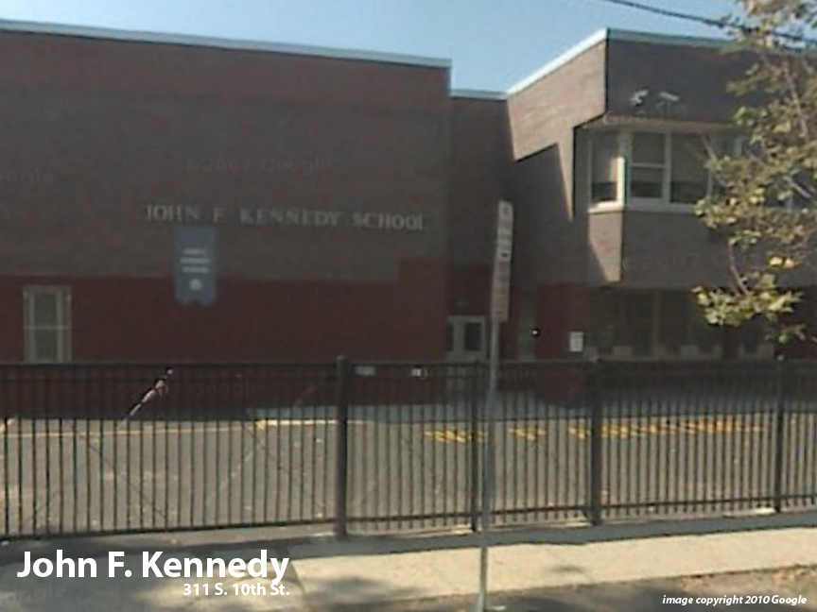
Facility Condition Index (FCI) Score = | 10%

Facility Condition = | GOOD

FCI Deficiency Cost = | $978,699

FCI Replacement Cost = | $9,447,488

CAPACITY UTILIZATION

Recent 2012 Enrollment = | 175

Historic 2005 LRFP Capacity = | 171

Adjusted 2012 Capacity = | 187

Recent Occupancy % = | 94%

EDUCATION ADEQUECY

Classroom Adequacy % Score = | 89%

Classroom Adequacy = | GOOD

Special Spaces Adequacy % Score = | 78%

Special Spaces Adequacy = | FAIR

