FCI Summary
Building Name: | Ivy Hill | 2012 LRFP CONDITION SUMMARY
Building Square Footage: | 78,694
Number of Floors: | 4
School Age (years): | 81

FACILITY CONDITION

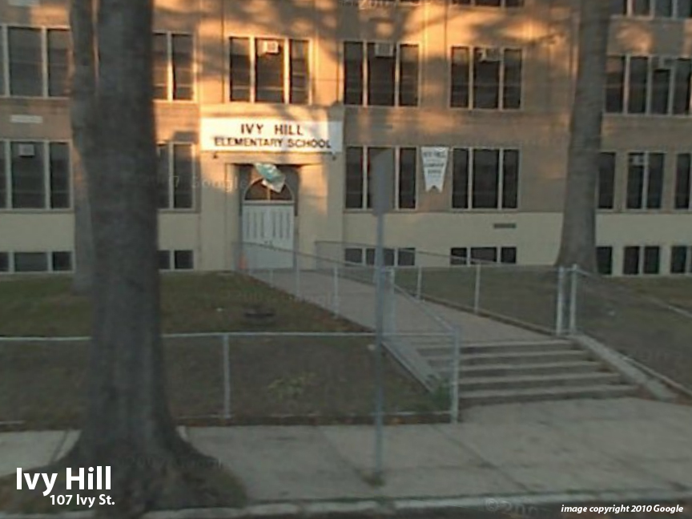
Facility Condition Index (FCI) Score = | 25%

Facility Condition = | FAIR

FCI Deficiency Cost = | $3,996,993

FCI Replacement Cost = | $16,230,638

CAPACITY UTILIZATION

Recent 2012 Enrollment = | 552

Historic 2005 LRFP Capacity = | 605

Adjusted 2012 Capacity = | 544

Recent Occupancy % = | 101%

EDUCATION ADEQUECY

Classroom Adequacy % Score = | 87%

Classroom Adequacy = | GOOD

Special Spaces Adequacy % Score = | 74%

Special Spaces Adequacy = | POOR

