FCI Summary
Building Name: | Dr. William H. Horton | 2012 LRFP CONDITION SUMMARY
Building Square Footage: | 104,088
Number of Floors: | B + 4
School Age (years): | 98

FACILITY CONDITION

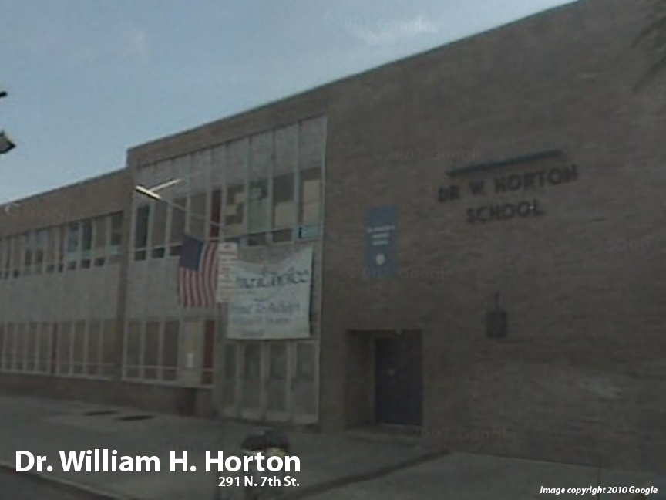
Facility Condition Index (FCI) Score = | 40%

Facility Condition = | POOR

FCI Deficiency Cost = | $8,659,594

FCI Replacement Cost = | $21,468,150

CAPACITY UTILIZATION

Recent 2012 Enrollment = | 788

Historic 2005 LRFP Capacity = | 754

Adjusted 2012 Capacity = | 693

Recent Occupancy % = | 114%

EDUCATION ADEQUECY

Classroom Adequacy % Score = | 87%

Classroom Adequacy = | GOOD

Special Spaces Adequacy % Score = | 51%

Special Spaces Adequacy = | VERY POOR

