FCI Summary
Building Name: | Hawkins Street | 2012 LRFP CONDITION SUMMARY
Building Square Footage: | 69,161
Number of Floors: | 3
School Age (years): | 125

FACILITY CONDITION

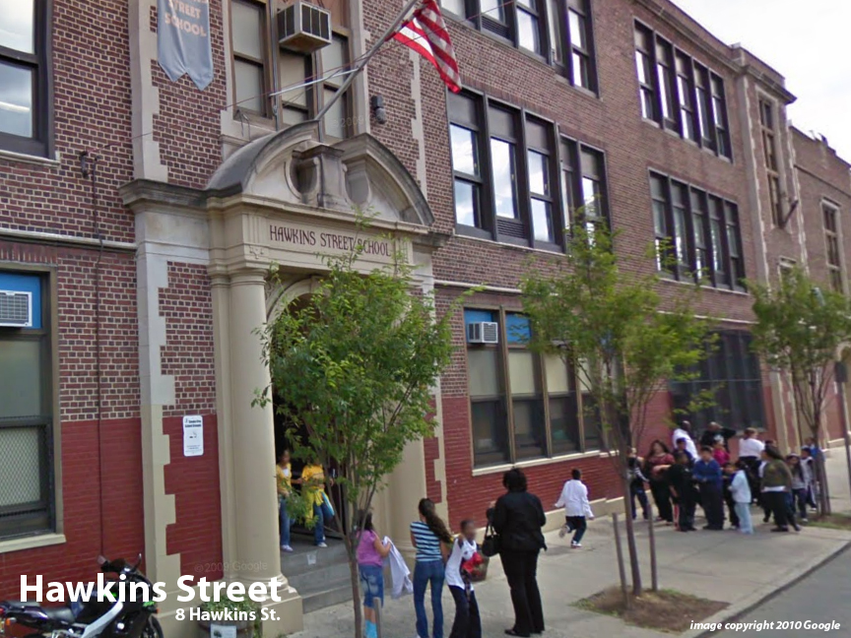
Facility Condition Index (FCI) Score = | 45%

Facility Condition = | POOR

FCI Deficiency Cost = | $6,393,533

FCI Replacement Cost = | $14,264,456

CAPACITY UTILIZATION

Recent 2012 Enrollment = | 523

Historic 2005 LRFP Capacity = | 555

Adjusted 2012 Capacity = | 499

Recent Occupancy % = | 105%

EDUCATION ADEQUECY

Classroom Adequacy % Score = | 90%

Classroom Adequacy = | GOOD

Special Spaces Adequacy % Score = | 52%

Special Spaces Adequacy = | VERY POOR

