FCI Summary
Building Name: | Elliott Street Annex (old First Avenue) | 2012 LRFP CONDITION SUMMARY
Building Square Footage: | 62,028
Number of Floors: | B + 3
School Age (years): | 83

FACILITY CONDITION

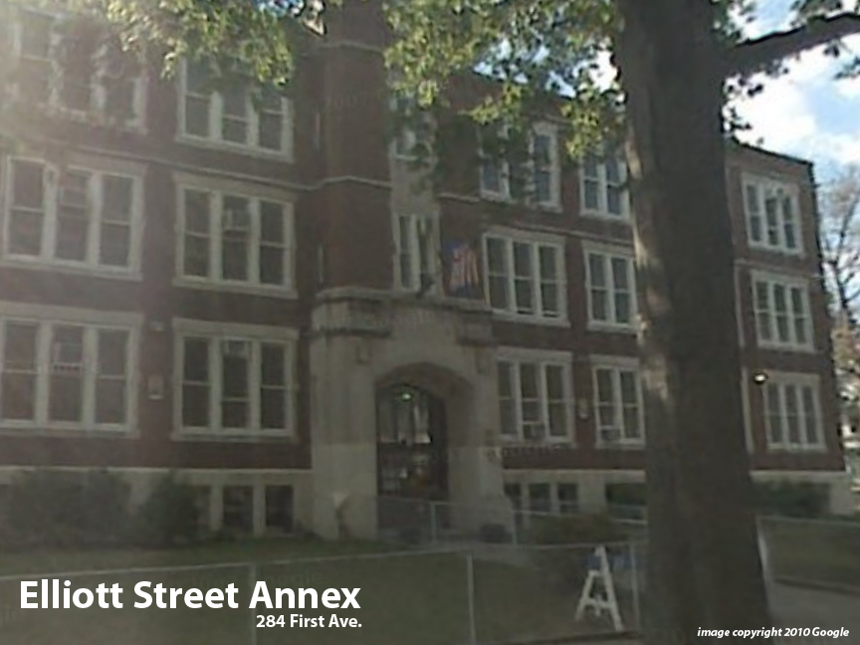
Facility Condition Index (FCI) Score = | 26%

Facility Condition = | FAIR

FCI Deficiency Cost = | $3,316,546

FCI Replacement Cost = | $12,936,825

CAPACITY UTILIZATION

Recent 2012 Enrollment = | 475

Historic 2005 LRFP Capacity = | NA

Adjusted 2012 Capacity = | 471

Recent Occupancy % = | 101%

EDUCATION ADEQUECY

Classroom Adequacy % Score = | 79%

Classroom Adequacy = | FAIR

Special Spaces Adequacy % Score = | 92%

Special Spaces Adequacy = | GOOD

