FCI Summary
Building Name: | Early Childhood Academy West (old Speedway Avenue) | 2012 LRFP CONDITION SUMMARY
Building Square Footage: | 36,688
Number of Floors: | 4
School Age (years): | 96

FACILITY CONDITION
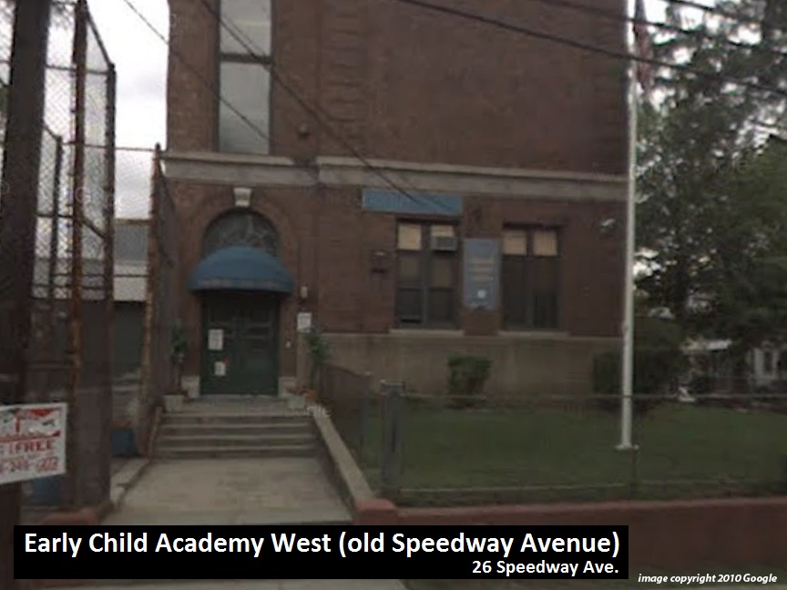
Facility Condition Index (FCI) Score = | 29%

Facility Condition = | FAIR

FCI Deficiency Cost = | $2,162,677

FCI Replacement Cost = | $7,566,900

CAPACITY UTILIZATION

Recent 2011/12 Enrollment = | 71

Historic 2005 LRFP Capacity = | 264

Adjusted 2012 Capacity = | 242

Recent Occupancy % = | 29%

EDUCATION ADEQUECY

Classroom Adequacy % Score = | 85%

Classroom Adequacy = | FAIR

Educational Adequacy % Score = | 76%

Special Spaces Adequacy = | FAIR

