FCI Summary
Building Name: | Chancellor Avenue Annex | 2012 LRFP CONDITION SUMMARY
Building Square Footage: | 40,771
Number of Floors: | B + 1
School Age (years): | 53

FACILITY CONDITION

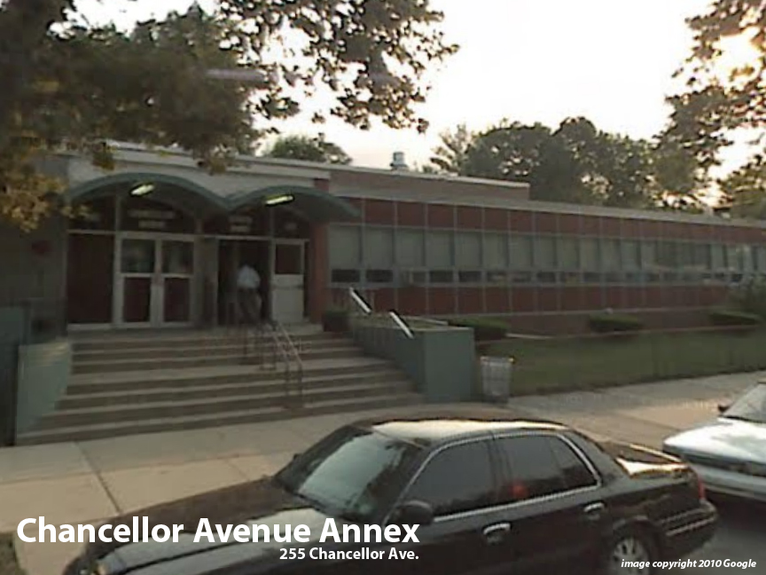
Facility Condition Index (FCI) Score = | 20%

Facility Condition = | GOOD

FCI Deficiency Cost = | $1,643,141

FCI Replacement Cost = | $8,409,019

CAPACITY UTILIZATION

Recent 2012 Enrollment = | 161

Historic 2005 LRFP Capacity = | 182

Adjusted 2012 Capacity = | 266

Recent Occupancy % = | 61%

EDUCATION ADEQUECY

Classroom Adequacy % Score = | 67%

Classroom Adequacy = | POOR

Special Spaces Adequacy % Score = | 71%

Special Spaces Adequacy = | POOR

