FCI Summary
Building Name: | Central High | 2012 LRFP CONDITION SUMMARY
Building Square Footage: | 261,361
Number of Floors: | B + 3
School Age (years): | 4

FACILITY CONDITION

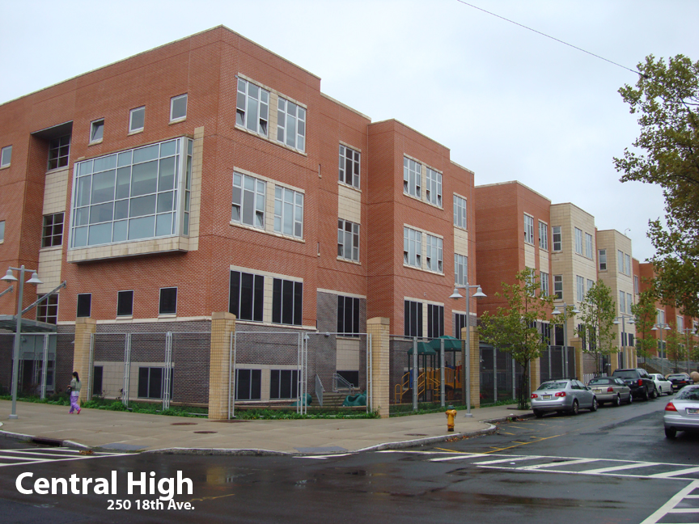
Facility Condition Index (FCI) Score = | 1%

Facility Condition = | VERY GOOD

FCI Deficiency Cost = | $314,898

FCI Replacement Cost = | $58,806,225

CAPACITY UTILIZATION

Recent 2012 Enrollment = | 776

Historic 2005 LRFP Capacity = | 681

Adjusted 2012 Capacity = | 1015

Recent Occupancy % = | 76%

EDUCATION ADEQUECY

Classroom Adequacy % Score = | 99%

Classroom Adequacy = | VERY GOOD

Special Spaces Adequacy % Score = | 99%

Special Spaces Adequacy = | VERY GOOD

