FCI Summary
Building Name: | Camden Elementary | 2012 LRFP CONDITION SUMMARY
Building Square Footage: | 169,014
Number of Floors: | 4
School Age (years): | 44

FACILITY CONDITION

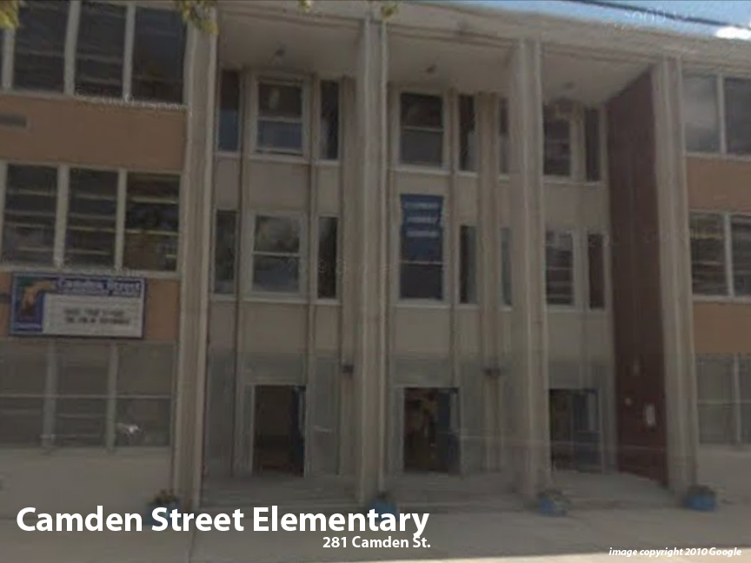
Facility Condition Index (FCI) Score = | 17%

Facility Condition = | GOOD

FCI Deficiency Cost = | $5,802,526

FCI Replacement Cost = | $34,859,138

CAPACITY UTILIZATION

Recent 2012 Enrollment = | 580

Historic 2005 LRFP Capacity = | 864

Adjusted 2012 Capacity = | 658

Recent Occupancy % = | 88%

EDUCATION ADEQUECY

Classroom Adequacy % Score = | 95%

Classroom Adequacy = | GOOD

Special Spaces Adequacy % Score = | 93%

Special Spaces Adequacy = | GOOD

