FCI Summary
Building Name: | Bruce Street | 2012 LRFP CONDITION SUMMARY
Building Square Footage: | 210,384
Number of Floors: | 4 | co-located in George W. Carver School
School Age (years): | 33

FACILITY CONDITION

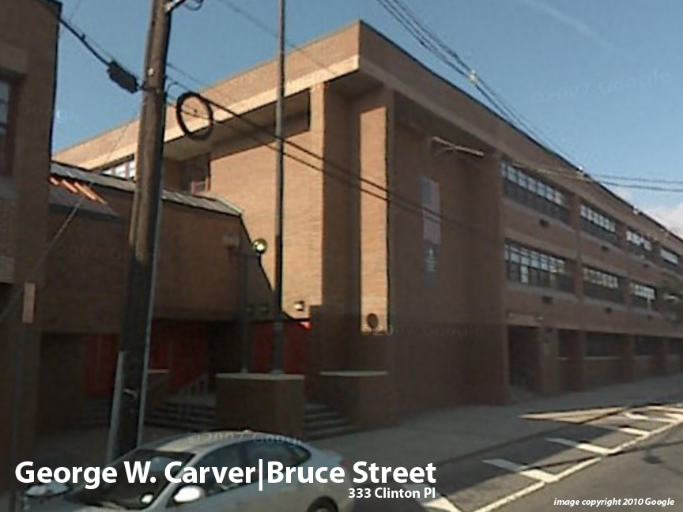
Facility Condition Index (FCI) Score = | 15%

Facility Condition = | GOOD

FCI Deficiency Cost = | $6,502,922

FCI Replacement Cost = | $43,391,700

CAPACITY UTILIZATION

Recent 2012 Enrollment = | 61

Historic 2005 LRFP Capacity = | 912

Adjusted 2012 Capacity = | 72

Recent Occupancy % = | 85%

EDUCATION ADEQUECY

Classroom Adequacy % Score = | 94%

Classroom Adequacy = | GOOD

Special Spaces Adequacy % Score = | 91%

Special Spaces Adequacy = | GOOD

