FCI Summary
Building Name: | Branch Brook | 2012 LRFP CONDITION SUMMARY
Building Square Footage: | 21,870
Number of Floors: | 2
School Age (years): | 87

FACILITY CONDITION

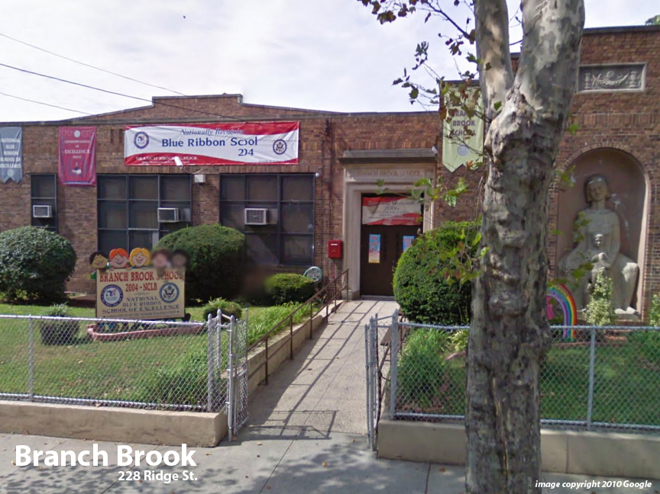
Facility Condition Index (FCI) Score = | 29%

Facility Condition = | FAIR

FCI Deficiency Cost = | $1,290,927

FCI Replacement Cost = | $4,510,688

CAPACITY UTILIZATION

Recent 2012 Enrollment = | 166

Historic 2005 LRFP Capacity = | 88

Adjusted 2012 Capacity = | 51

Recent Occupancy % = | 325%

EDUCATION ADEQUECY

Classroom Adequacy % Score = | 65%

Classroom Adequacy = | VERY POOR

Special Spaces Adequacy % Score = | 8%

Special Spaces Adequacy = | VERY POOR

