FCI Summary
Building Name: | Bragaw Avenue | 2012 LRFP CONDITION SUMMARY
Building Square Footage: | 64,797
Number of Floors: | 3
School Age (years): | 84

FACILITY CONDITION

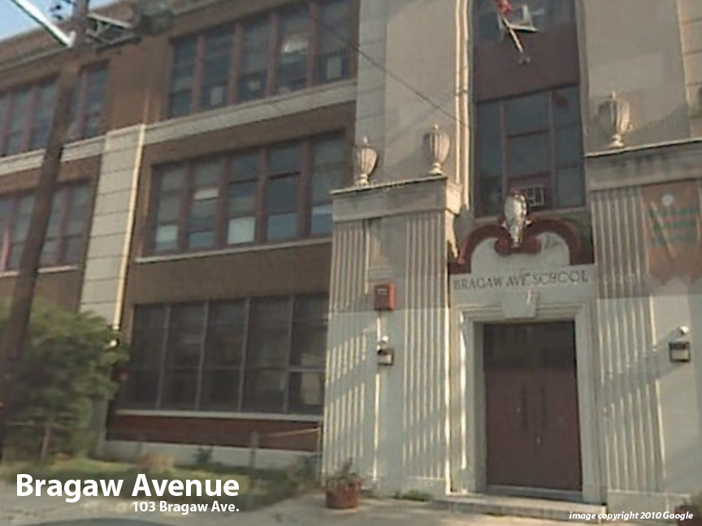
Facility Condition Index (FCI) Score = | 24%

Facility Condition = | FAIR

FCI Deficiency Cost = | $3,213,175

FCI Replacement Cost = | $13,364,381

CAPACITY UTILIZATION

Recent 2012 Enrollment = | 312

Historic 2005 LRFP Capacity = | 435

Adjusted 2012 Capacity = | 390

Recent Occupancy % = | 80%

EDUCATION ADEQUECY

Classroom Adequacy % Score = | 89%

Classroom Adequacy = | GOOD

Special Spaces Adequacy % Score = | 49%

Special Spaces Adequacy = | VERY POOR

