FCI Summary
Building Name: | Boylan ECC (Alexander Annex)
Building Square Footage: | 24,083 | 2012 LRFP CONDITION SUMMARY
Number of Floors: | B + 2
School Age (years): | 83
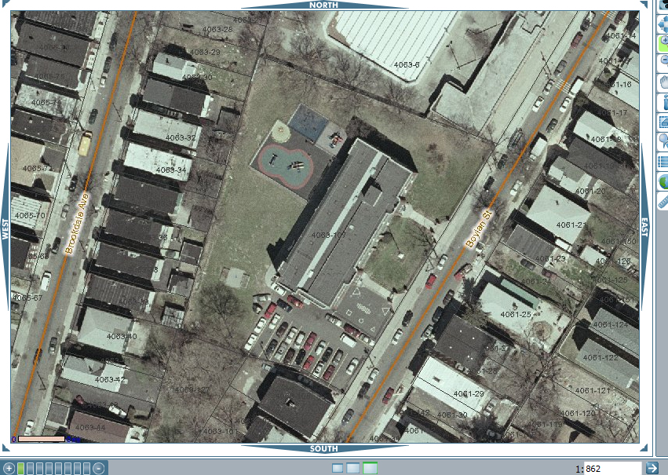
FACILITY CONDITION

Facility Condition Index (FCI) Score = | 43%

Facility Condition = | POOR

FCI Deficiency Cost = | $2,125,571

FCI Replacement Cost = | $4,967,119

CAPACITY UTILIZATION

Recent 2012 Enrollment = | 90

Historic 2005 LRFP Capacity = | 105

Adjusted 2012 Capacity = | 31

Recent Occupancy % = | 290%

EDUCATION ADEQUECY

Classroom Adequacy % Score = | 61%

Classroom Adequacy = | VERY POOR

Special Spaces Adequacy % Score = | 34%

Special Spaces Adequacy = | VERY POOR

