FCI Summary
Building Name: | Franklin | 2012 LRFP CONDITION SUMMARY
Building Square Footage: | 87,540
Number of Floors: | Sub B + B + 3
School Age (years): | ##

FACILITY CONDITION

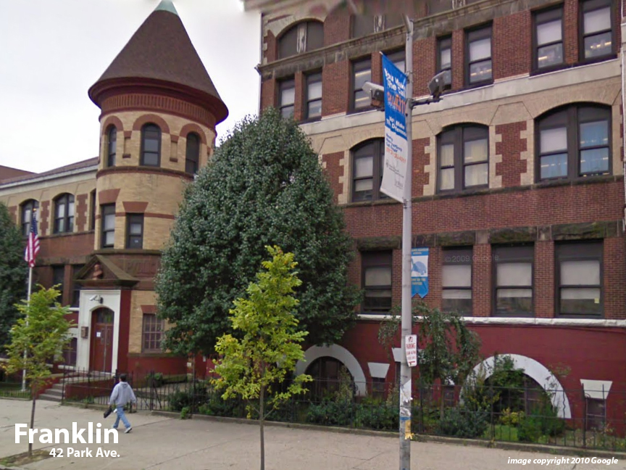
Facility Condition Index (FCI) Score = | 22%

Facility Condition = | FAIR

FCI Deficiency Cost = | $3,972,407

FCI Replacement Cost = | $18,055,125

CAPACITY UTILIZATION

Recent 2012 Enrollment = | 617

Historic 2005 LRFP Capacity = | 543

Adjusted 2012 Capacity = | 490

Recent Occupancy % = | 126%

EDUCATION ADEQUECY

Classroom Adequacy % Score = | 83%

Classroom Adequacy = | FAIR

Special Spaces Adequacy % Score = | 79%

Special Spaces Adequacy = | FAIR

