FCI Summary
Building Name: | Belmont-Runyon | 2012 LRFP CONDITION SUMMARY
Building Square Footage: | 118,734
Number of Floors: | 3
School Age (years): | 8

FACILITY CONDITION

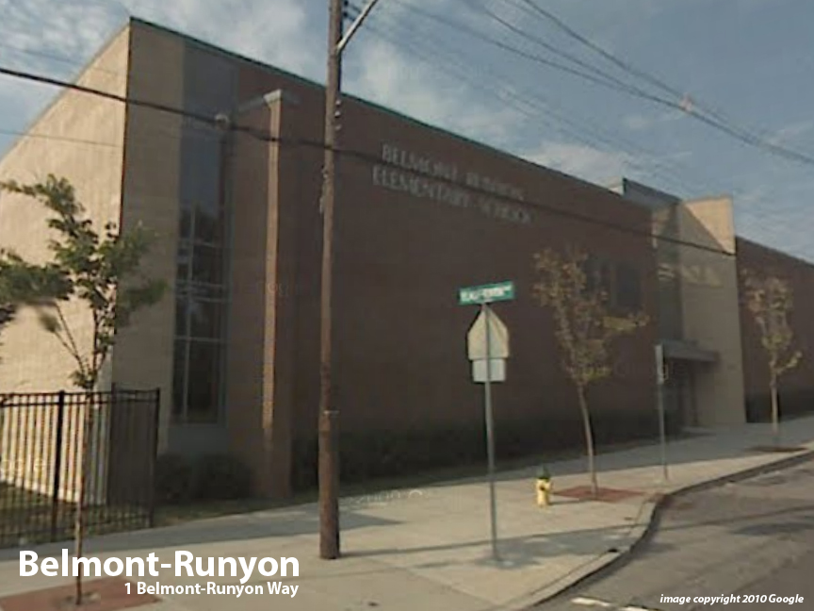
Facility Condition Index (FCI) Score = | 2%

Facility Condition = | VERY GOOD

FCI Deficiency Cost = | $428,556

FCI Replacement Cost = | $24,488,888

CAPACITY UTILIZATION

Recent 2012 Enrollment = | 511

Historic 2005 LRFP Capacity = | 536

Adjusted 2012 Capacity = | 490

Recent Occupancy % = | 104%

EDUCATION ADEQUECY

Classroom Adequacy % Score = | 94%

Classroom Adequacy = | GOOD

Special Spaces Adequacy % Score = | 99%

Special Spaces Adequacy = | VERY GOOD

