FCI Summary
Building Name: | Barringer High | 2012 LRFP CONDITION SUMMARY
Building Square Footage: | 296,708
Number of Floors: | 3
School Age (years): | 50

FACILITY CONDITION

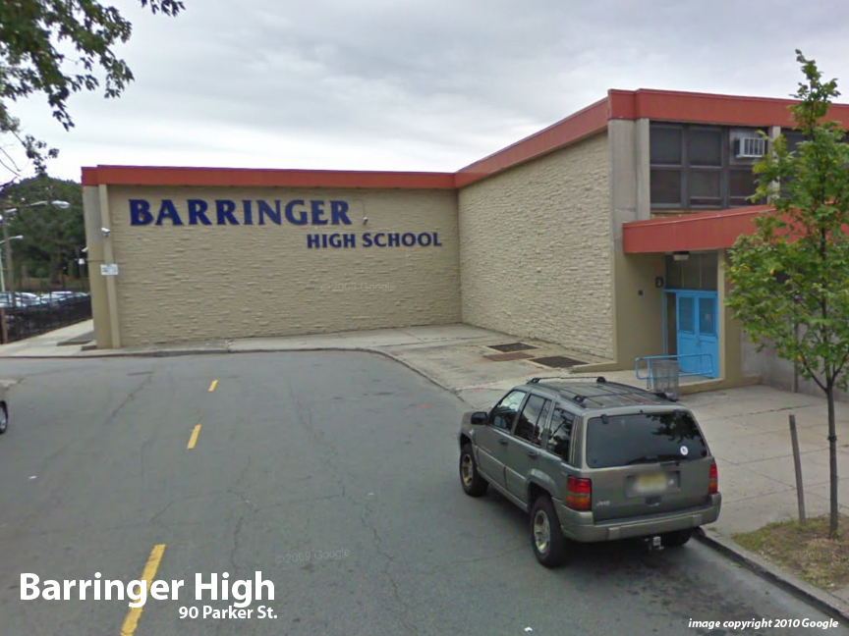
Facility Condition Index (FCI) Score = | 24%

Facility Condition = | FAIR

FCI Deficiency Cost = | $16,041,969

FCI Replacement Cost = | $66,759,300

CAPACITY UTILIZATION

Recent 2012 Enrollment = | 1289

Historic 2005 LRFP Capacity = | 999

Adjusted 2012 Capacity = | 1029

Recent Occupancy % = | 125%

EDUCATION ADEQUECY

Classroom Adequacy % Score = | 97%

Classroom Adequacy = | VERY GOOD

Special Spaces Adequacy % Score = | 100%

Special Spaces Adequacy = | VERY GOOD

