FCI Summary
Building Name: | Peshine Ave | 2012 LRFP CONDITION SUMMARY
Building Square Footage: | 124,385
Number of Floors: | B + 4
School Age (years): | 101

FACILITY CONDITION

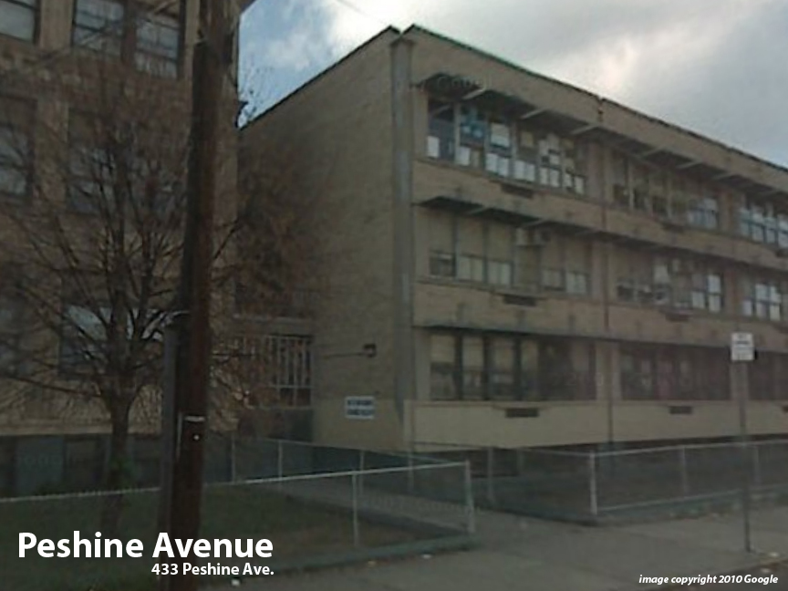
Facility Condition Index (FCI) Score = | 53%

Facility Condition = | VERY POOR

FCI Deficiency Cost = | $13,715,930

FCI Replacement Cost = | $25,654,406

CAPACITY UTILIZATION

Recent 2012 Enrollment = | 572

Historic 2005 LRFP Capacity = | 814

Adjusted 2012 Capacity = | 824

Recent Occupancy % = | 69%

EDUCATION ADEQUECY

Classroom Adequacy % Score = | 92%

Classroom Adequacy = | GOOD

Special Spaces Adequacy % Score = | 75%

Special Spaces Adequacy = | POOR

