FCI Summary
Building Name: | Arts High | 2012 LRFP CONDITION SUMMARY
Building Square Footage: | 198,324
Number of Floors: | B + 4
School Age (years): | 81

FACILITY CONDITION

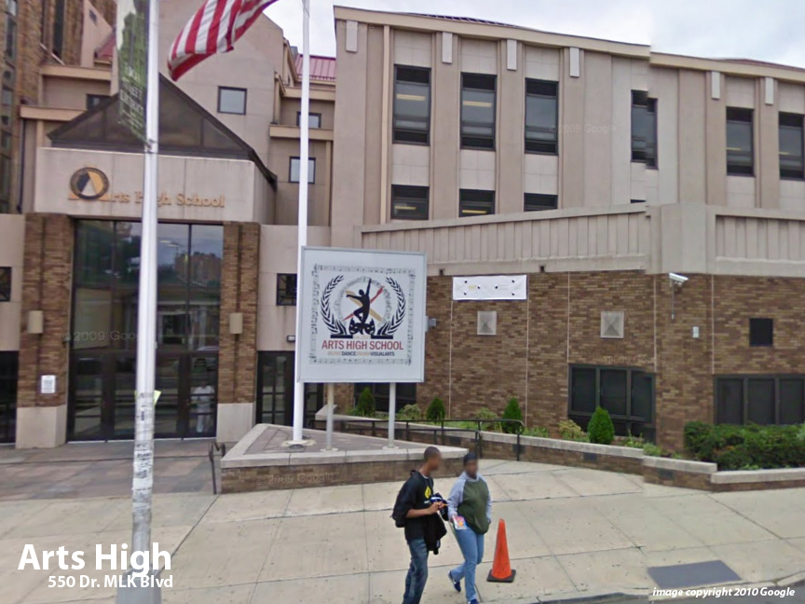
Facility Condition Index (FCI) Score = | 23%

Facility Condition = | FAIR

FCI Deficiency Cost = | $9,977,731

FCI Replacement Cost = | $44,098,650

CAPACITY UTILIZATION

Recent 2012 Enrollment = | 687

Historic 2005 LRFP Capacity = | 507

Adjusted 2012 Capacity = | 552

Recent Occupancy % = | 124%

EDUCATION ADEQUECY

Classroom Adequacy % Score = | 96%

Classroom Adequacy = | VERY GOOD

Special Spaces Adequacy % Score = | 76%

Special Spaces Adequacy = | FAIR

