FCI Summary
Building Name: | American History HS (Former AVC Montgomery)
Building Square Footage: | 116,506 |  | 2012 LRFP CONDITION SUMMARY
Number of Floors: | B + 3
School Age (years): | 75 Average | (Original = 102 years; Addition = 48 years)

FACILITY CONDITION

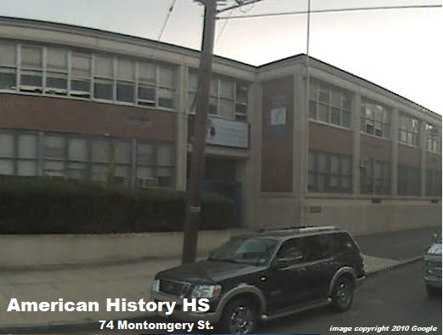
Facility Condition Index (FCI) Score = | 27%

Facility Condition = | FAIR

FCI Deficiency Cost = | $7,138,578

FCI Replacement Cost = | $26,439,525

CAPACITY UTILIZATION

Recent 2012 Enrollment = | 340

Historic 2005 LRFP Capacity = | 640

Adjusted 2012 Capacity = | 718

Recent Occupancy % = | 47%

EDUCATION ADEQUECY

Classroom Adequacy % Score = | 95%

Classroom Adequacy = | GOOD

Special Spaces Adequacy % Score = | 68%

Special Spaces Adequacy = | POOR

