FCI Summary
Building Name: | Alexander Street | 2012 LRFP CONDITION SUMMARY
Building Square Footage: | 74,844
Number of Floors: | 4
School Age (years): | 116

FACILITY CONDITION

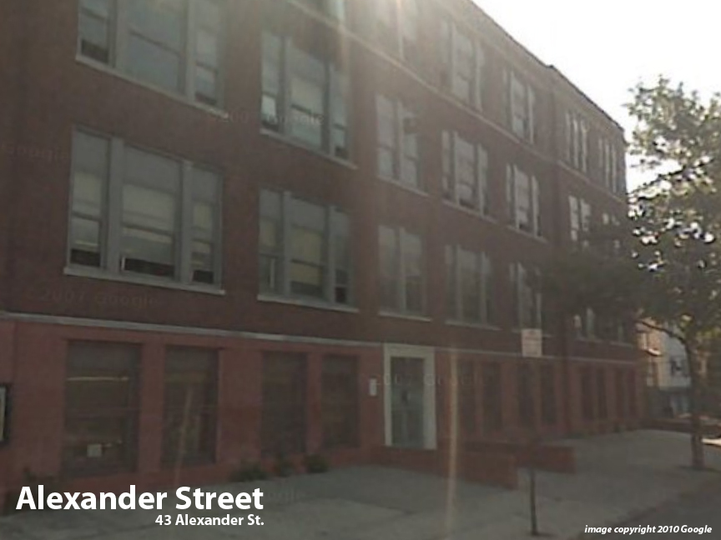
Facility Condition Index (FCI) Score = | 54%

Facility Condition = | VERY POOR

FCI Deficiency Cost = | $8,367,018

FCI Replacement Cost = | $15,436,575

CAPACITY UTILIZATION

Recent 2012 Enrollment = | 379

Historic 2005 LRFP Capacity = | 414

Adjusted 2012 Capacity = | 511

Recent Occupancy % = | 74%

EDUCATION ADEQUECY

Classroom Adequacy % Score = | 94%

Classroom Adequacy = | GOOD

Special Spaces Adequacy % Score = | 51%

Special Spaces Adequacy = | VERY POOR

