FCI Summary
Building Name: | 18th Avenue School (Off-Line)
Building Square Footage: | 91,215 | 2012 LRFP CONDITION SUMMARY
Number of Floors: | 4
School Age (years): | 89

FACILITY CONDITION

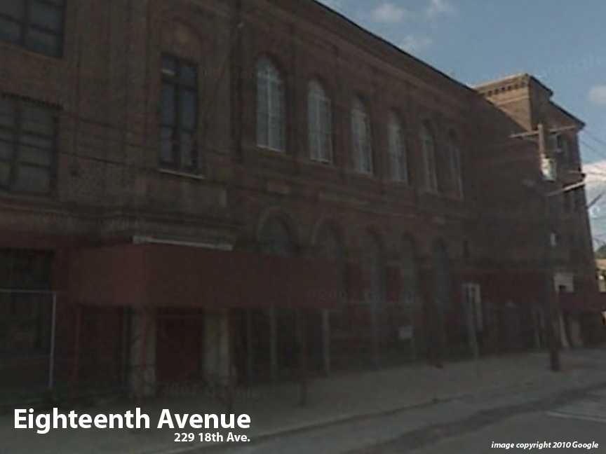
Facility Condition Index (FCI) Score = | 38%

Facility Condition = | POOR

FCI Deficiency Cost = | $8,088,220

FCI Replacement Cost = | $21,107,625

CAPACITY UTILIZATION

Recent 2012 Enrollment = | 0

Historic 2005 LRFP Capacity = | 368

Adjusted 2012 Capacity = | 477

Recent Occupancy % = | 0%

EDUCATION ADEQUECY

Classroom Adequacy % Score = | 91%

Classroom Adequacy = | GOOD

Special Spaces Adequacy % Score = | 66%

Special Spaces Adequacy = | POOR

