FCI Summary
Building Name: | Fifteenth Avenue ES (Off-Line) | 2012 LRFP CONDITION SUMMARY
Building Square Footage: | 64,543
Number of Floors: | B + 3
School Age (years): | 118

FACILITY CONDITION

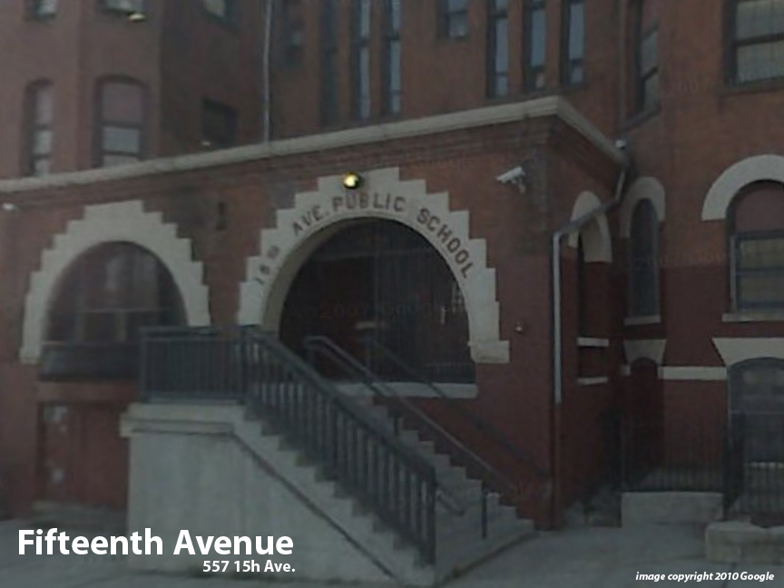
Facility Condition Index (FCI) Score = | 51%

Facility Condition = | POOR

FCI Deficiency Cost = | $6,746,278

FCI Replacement Cost = | $13,311,994

CAPACITY UTILIZATION

Recent 2012 Enrollment = | 0

Historic 2005 LRFP Capacity = | 520

Adjusted 2012 Capacity = | 428

Recent Occupancy % = | 0%

EDUCATION ADEQUECY

Classroom Adequacy % Score = | 85%

Classroom Adequacy = | FAIR

Special Spaces Adequacy % Score = | 66%

Special Spaces Adequacy = | POOR

