FCI Summary
Building Name: | Fourteenth Avenue | 2012 LRFP CONDITION SUMMARY
Building Square Footage: | 57,964
Number of Floors: | B + 3
School Age (years): | 106

FACILITY CONDITION

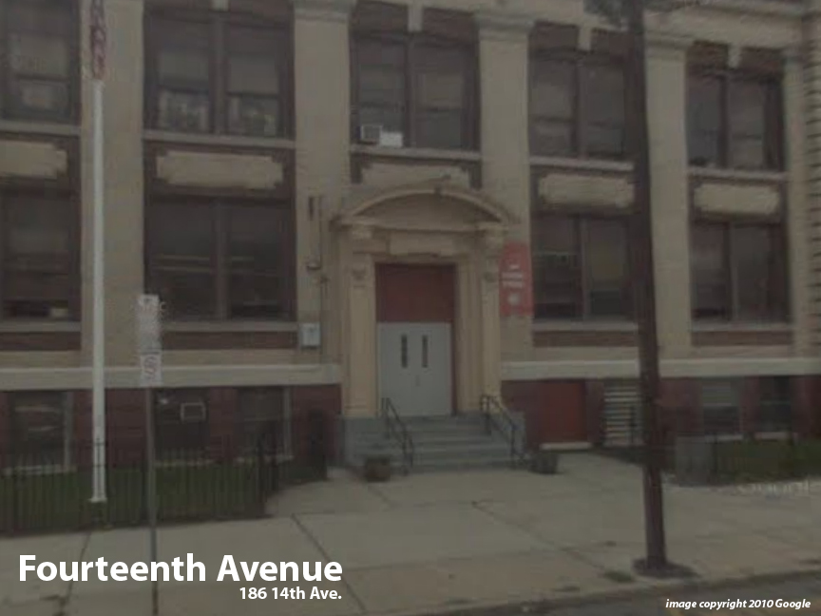
Facility Condition Index (FCI) Score = | 48%

Facility Condition = | POOR

FCI Deficiency Cost = | $5,745,676

FCI Replacement Cost = | $11,955,075

CAPACITY UTILIZATION

Recent 2012 Enrollment = | 229

Historic 2005 LRFP Capacity = | 242

Adjusted 2012 Capacity = | 280

Recent Occupancy % = | 82%

EDUCATION ADEQUECY

Classroom Adequacy % Score = | 88%

Classroom Adequacy = | GOOD

Special Spaces Adequacy % Score = | 73%

Special Spaces Adequacy = | POOR

