FCI Summary
Building Name: | Wilson ECC (Alyea Street) | 2012 LRFP CONDITION SUMMARY
Building Square Footage: | 6,628
Number of Floors: | 3
School Age (years): | 112

FACILITY CONDITION
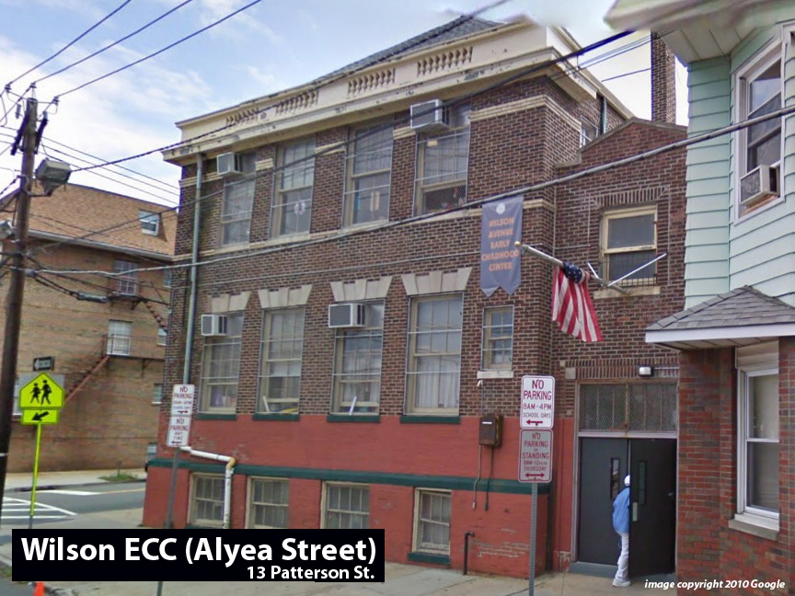
Facility Condition Index (FCI) Score = | 56%

Facility Condition = | VERY POOR

FCI Deficiency Cost = | $762,708

FCI Replacement Cost = | $1,367,025

CAPACITY UTILIZATION

Recent 2011/12 Enrollment = | NA

Historic 2005 LRFP Capacity = | 83

Adjusted 2012 Capacity = | 68

Recent Occupancy % = | NA

EDUCATION ADEQUECY

Classroom Adequacy % Score = | 45%

Classroom Adequacy = | VERY POOR

Special Spaces Adequacy % Score = | 23%

Special Spaces Adequacy = | VERY POOR

