FCI Summary
Building Name: | Weequahic HS | 2012 LRFP CONDITION SUMMARY
Building Square Footage: | 184,451
Number of Floors: | B + 4
School Age (years): | 79

FACILITY CONDITION

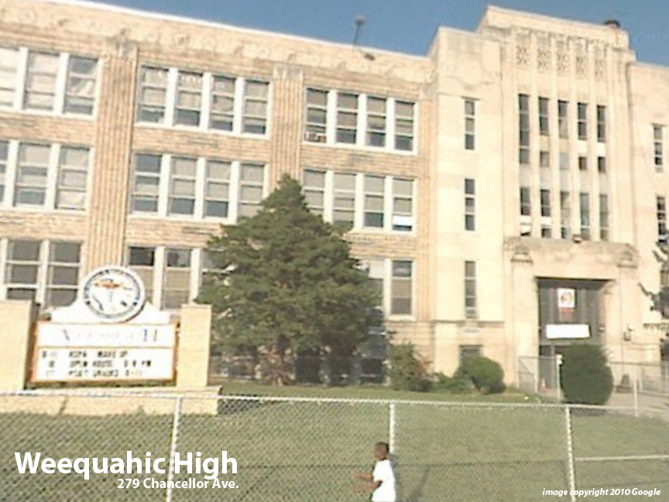
Facility Condition Index (FCI) Score = | 25%

Facility Condition = | FAIR

FCI Deficiency Cost = | $10,462,337

FCI Replacement Cost = | $41,501,475

CAPACITY UTILIZATION

Recent 2012 Enrollment = | 624

Historic 2005 LRFP Capacity = | 762

Adjusted 2012 Capacity = | 777

Recent Occupancy % = | 80%

EDUCATION ADEQUECY

Classroom Adequacy % Score = | 85%

Classroom Adequacy = | FAIR

Special Spaces Adequacy % Score = | 84%

Special Spaces Adequacy = | FAIR

