FCI Summary
Building Name: | Warren Street | 2012 LRFP CONDITION SUMMARY
Building Square Footage: | 57,950
Number of Floors: | B + 3
School Age (years): | 102

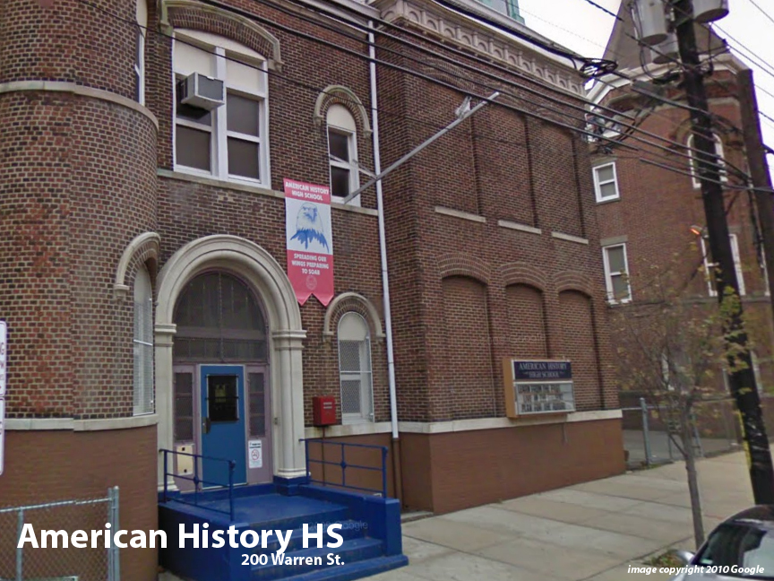
FACILITY CONDITION

Facility Condition Index (FCI) Score = | 57%

Facility Condition = | VERY POOR

FCI Deficiency Cost = | $7,448,838

FCI Replacement Cost = | $13,038,750

CAPACITY UTILIZATION

Recent 2012 Enrollment = | 0

Historic 2005 LRFP Capacity = | 307
 | 398
Adjusted 2012 Capacity = | 398

Recent Occupancy % = | 0%

EDUCATION ADEQUECY

Classroom Adequacy % Score = | 78%

Classroom Adequacy = | FAIR

Special Spaces Adequacy % Score = | 37%

Special Spaces Adequacy = | VERY POOR

