FCI Summary
Building Name: | University HS | 2012 LRFP CONDITION SUMMARY
Building Square Footage: | 147,869
Number of Floors: | B + 3
School Age (years): | 56

FACILITY CONDITION

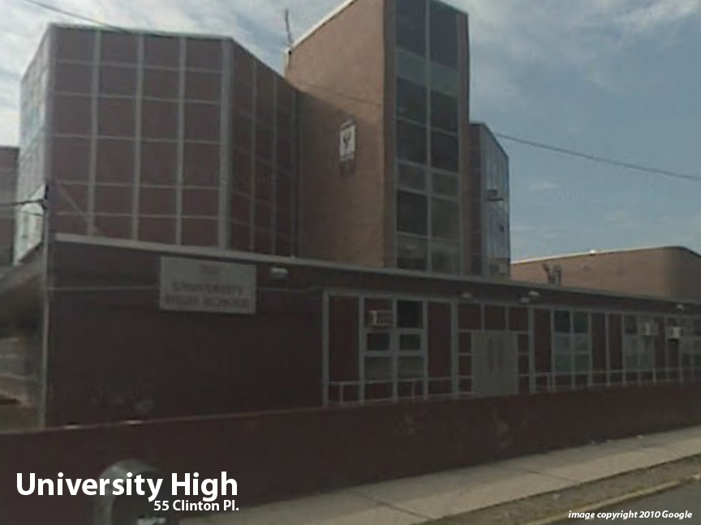
Facility Condition Index (FCI) Score = | 21%

Facility Condition = | FAIR

FCI Deficiency Cost = | $6,880,729

FCI Replacement Cost = | $33,270,525

CAPACITY UTILIZATION

Recent 2012 Enrollment = | 595

Historic 2005 LRFP Capacity = | 734

Adjusted 2012 Capacity = | 754

Recent Occupancy % = | 79%

EDUCATION ADEQUECY

Classroom Adequacy % Score = | 95%

Classroom Adequacy = | GOOD

Special Spaces Adequacy % Score = | 77%

Special Spaces Adequacy = | FAIR

