FCI Summary
Building Name: | Harriet Tubman | 2012 LRFP CONDITION SUMMARY
Building Square Footage: | 50,652
Number of Floors: | B + 4
School Age (years): | 124

FACILITY CONDITION

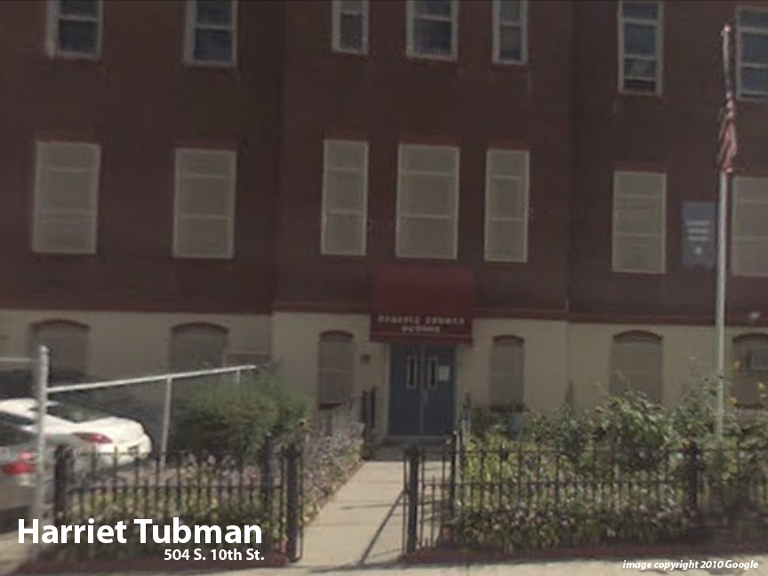
Facility Condition Index (FCI) Score = | 47%

Facility Condition = | POOR

FCI Deficiency Cost = | $4,875,655

FCI Replacement Cost = | $10,446,975

CAPACITY UTILIZATION

Recent 2012 Enrollment = | 296

Historic 2005 LRFP Capacity = | 345

Adjusted 2012 Capacity = | 351

Recent Occupancy % = | 84%

EDUCATION ADEQUECY

Classroom Adequacy % Score = | 87%

Educational Adequacy = | GOOD

Special Spaces Adequacy % Score = | 48%

Educational Adequacy = | VERY POOR

