FCI Summary
Building Name: | Technology HS | 2012 LRFP CONDITION SUMMARY
Building Square Footage: | 168,683
Number of Floors: | Sub B + B + 3
School Age (years): | 100

FACILITY CONDITION

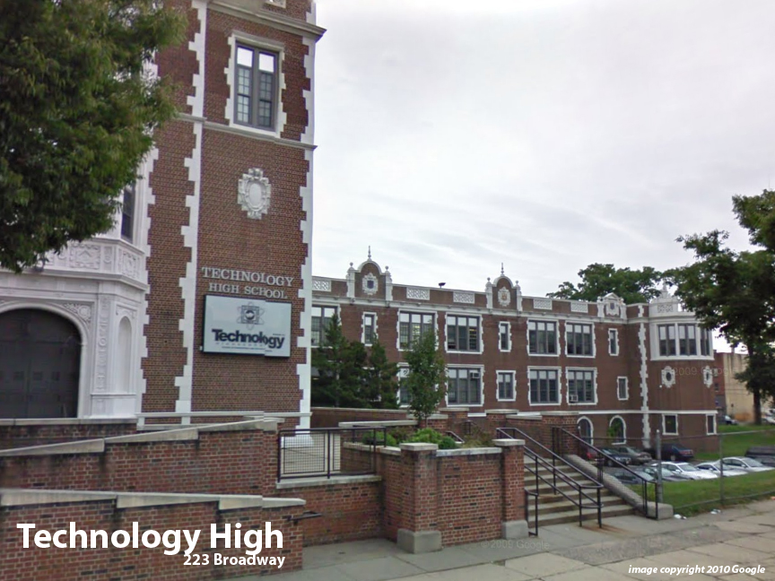
Facility Condition Index (FCI) Score = | 31%

Facility Condition = | FAIR

FCI Deficiency Cost = | $11,717,047

FCI Replacement Cost = | $37,953,675

CAPACITY UTILIZATION

Recent 2012 Enrollment = | 575

Historic 2005 LRFP Capacity = | 773

Adjusted 2012 Capacity = | 750

Recent Occupancy % = | 77%

EDUCATION ADEQUECY

Classroom Adequacy % Score = | 93%

Classroom Adequacy = | GOOD

Special Spaces Adequacy % Score = | 81%

Special Spaces Adequacy = | FAIR

